Example Background
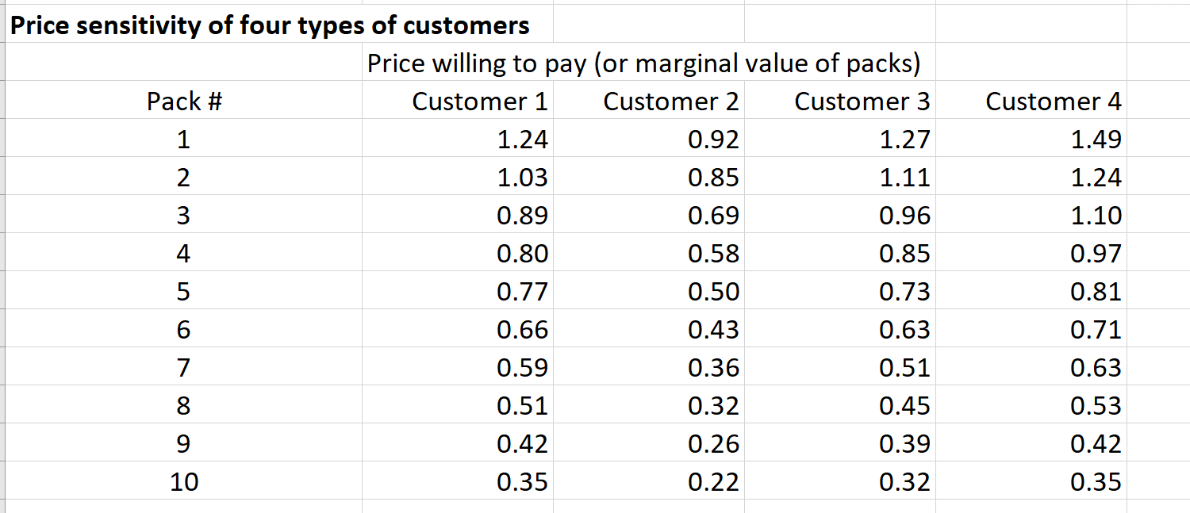
Suppose you sell Menthos candy. Most people value the first pack of Menthos they
purchase more than the second pack. They also value the second pack more than the
third pack, and so on. How can you take advantage of this when pricing Menthos? If you
charge a single price for each pack of Menthos, only a few people are going to buy more
than one or two packs. Alternatively, however, you can try a two-part tariff approach,
where you charge an “entry fee” to anyone who buys Menthos, plus a reduced price per
pack purchased. For example, if a reasonable single price per pack is $1.10, then a reason-
able two-part tariff might be an entry fee of $1.50 and a price of $0.50 per pack. This gives
some customers an incentive to purchase many packs of Menthos. Because the total cost
of purchasing n packs of Menthos is no longer a linear function of n—it is now piecewise
linear—the two-part tariff is a nonlinear pricing strategy.
As usual with pricing models, the key input is customer sensitivity to price. Rather
than having a single demand function, however, we now assume that each customer has a
unique sensitivity to price. To keep the example fairly small, we assume that four typical
customers from the four market segments for the product have been asked what they would
pay for each successive pack of Menthos, with the results listed in the model. For exam-
ple, customer 1 is willing to pay $1.24 for the first pack of Menthos, $1.03 for the second
pack, and only $0.35 for the tenth pack. These four customers are considered representa-
tive of the four market segments. If it costs $0.40 to produce a pack of Menthos, determine
a profit-maximizing single price and a profit-maximizing two-part tariff. Assume that the
four market segments have 10,000, 5000, 7500, and 15,000 customers, respectively, and
that the customers within a market segment all respond identically to price.

Big Picture
Pricing Menthos Candy

Prices customers are willing to pay
Pricing scheme

Maximize profit
Total value of packs
Total price of packs
Unit cost

Surplus from purchasing
Market size

Total packs purchased

Maximum surplus
Packs purchased

Single Price
Pricing Menthos - single price model

It will probably take you a while to understand this model completely. Here are a few comments that might help.
1. Each "customer" is really a segment of customers. The numbers of customers in the segments are given in row 34. We assume each customer in a segment acts the same as the others in that segment.
2. Through some marketing research, the company discovers the price sensitivity values in the range B6:E15. This wouldn't necessarily be easy, but there are techniques (beyond the scope of this book) for estimating them.
3. The table in the range H6:K15 contains cumulative sums of the values in B6:E15. For example, customer 1 values two packs as 1.24+1.03=2.27.
4. The key is the table of surpluses in the range H19:K28. Each surplus is the customer's value for that many packs minus the cost of that many packs. If the surplus is positive, the customer would buy that many packs; if it's negative, the customer wouldn't buy them. In fact, we assume each customer buys the number of packs corresponding to their maximum surplus, unless this maximum is negative. If it is negative, the customer doesn't buy any packs. Of course, these surpluses depend on the price per pack, so the price affects demand for each customer segment. This logic is implemented in rows 32 and 33. Note how the MATCH function picks off the number of packs corresponding to the maximum surplus for a given customer.
5. Because of the MAX, IF, and MATCH functions, this model is very "nonsmooth." Therefore, Evolutionary Solver is required.
6. Keep in mind that the company is trying to find one price that "fits all." This makes it a difficult (but realistic) model.
Price sensitivity of four types of customers |  |  |  |  | Total value of purchases
 | Price willing to pay (or marginal value of packs) |  |  |  |  | Total value from this many packs
Pack # | Customer 1 | Customer 2 | Customer 3 | Customer 4 | # of packs | Customer 1 | Customer 2 | Customer 3 | Customer 4
1 | 1.24 | 0.92 | 1.27 | 1.49 | 1 | 1.24 | 0.92 | 1.27 | 1.49
2 | 1.03 | 0.85 | 1.11 | 1.24 | 2 | 2.27 | 1.77 | 2.38 | 2.73
3 | 0.89 | 0.69 | 0.96 | 1.10 | 3 | 3.16 | 2.46 | 3.34 | 3.83
4 | 0.80 | 0.58 | 0.85 | 0.97 | 4 | 3.96 | 3.04 | 4.19 | 4.80
5 | 0.77 | 0.50 | 0.73 | 0.81 | 5 | 4.73 | 3.54 | 4.92 | 5.61
6 | 0.66 | 0.43 | 0.63 | 0.71 | 6 | 5.39 | 3.97 | 5.55 | 6.32
7 | 0.59 | 0.36 | 0.51 | 0.63 | 7 | 5.98 | 4.33 | 6.06 | 6.95
8 | 0.51 | 0.32 | 0.45 | 0.53 | 8 | 6.49 | 4.65 | 6.51 | 7.48
9 | 0.42 | 0.26 | 0.39 | 0.42 | 9 | 6.91 | 4.91 | 6.90 | 7.90
10 | 0.35 | 0.22 | 0.32 | 0.35 | 10 | 7.26 | 5.13 | 7.22 | 8.25

Unit cost | $0.40 |  | Total price of packs |  | Surplus (value minus cost) from purchasing
 |  |  | # of packs | Total price | # of packs | Customer 1 | Customer 2 | Customer 3 | Customer 4
Unit price | $0.80 |  | 1 | 0.80 | 1 | 0.44 | 0.12 | 0.47 | 0.69
 |  |  | 2 | 1.60 | 2 | 0.67 | 0.17 | 0.78 | 1.13
 |  |  | 3 | 2.40 | 3 | 0.76 | 0.06 | 0.94 | 1.43
 |  |  | 4 | 3.20 | 4 | 0.76 | -0.16 | 0.99 | 1.60
 |  |  | 5 | 4.00 | 5 | 0.73 | -0.46 | 0.92 | 1.61
 |  |  | 6 | 4.80 | 6 | 0.59 | -0.83 | 0.75 | 1.52
 |  |  | 7 | 5.60 | 7 | 0.38 | -1.27 | 0.46 | 1.35
 |  |  | 8 | 6.40 | 8 | 0.09 | -1.75 | 0.11 | 1.08
 |  |  | 9 | 7.20 | 9 | -0.29 | -2.29 | -0.30 | 0.70
 |  |  | 10 | 8.00 | 10 | -0.74 | -2.87 | -0.78 | 0.25

Customer behavior
 | Customer 1 | Customer 2 | Customer 3 | Customer 4
Max surplus | 0.76 | 0.17 | 0.99 | 1.61
# purchased | 4 | 2 | 4 | 5
Market size (1000s) | 10 | 5 | 7.5 | 15

Total purchased (1000s) | 155
Profit ($1000s) | 61.991

Two-part Tariff
Pricing Menthos - two-part tariff model

See the comments in the Single Price tab,the logic in the two models is exactly the same. The only difference here is that the pricing scheme is more imaginative. By setting the fixed price fairly high but not too high, the company can get all but one of the customer segments to buy something and make a lot of money from the fixed price. In addition, by setting the variable price fairly low, the company gets these three segments to buy a lot of packs. Of course, this explanation makes sense after running Evolutionary Solver. Before running it, the optimal solution is far from obvious.
Price sensitivity of four typical customers |  |  |  |  | Total value of purchases
 | Price willing to pay (or marginal value of packs) |  |  |  |  | Total value from this many packs
Pack # | Customer 1 | Customer 2 | Customer 3 | Customer 4 | # of packs | Customer 1 | Customer 2 | Customer 3 | Customer 4
1 | 1.24 | 0.92 | 1.27 | 1.49 | 1 | 1.24 | 0.92 | 1.27 | 1.49
2 | 1.03 | 0.85 | 1.11 | 1.24 | 2 | 2.27 | 1.77 | 2.38 | 2.73
3 | 0.89 | 0.69 | 0.96 | 1.10 | 3 | 3.16 | 2.46 | 3.34 | 3.83
4 | 0.80 | 0.58 | 0.85 | 0.97 | 4 | 3.96 | 3.04 | 4.19 | 4.80
5 | 0.77 | 0.50 | 0.73 | 0.81 | 5 | 4.73 | 3.54 | 4.92 | 5.61
6 | 0.66 | 0.43 | 0.63 | 0.71 | 6 | 5.39 | 3.97 | 5.55 | 6.32
7 | 0.59 | 0.36 | 0.51 | 0.63 | 7 | 5.98 | 4.33 | 6.06 | 6.95
8 | 0.51 | 0.32 | 0.45 | 0.53 | 8 | 6.49 | 4.65 | 6.51 | 7.48
9 | 0.42 | 0.26 | 0.39 | 0.42 | 9 | 6.91 | 4.91 | 6.90 | 7.90
10 | 0.35 | 0.22 | 0.32 | 0.35 | 10 | 7.26 | 5.13 | 7.22 | 8.25

Unit cost | $0.40 |  | Total price of packs |  | Surplus (value minus cost) from purchasing
 |  |  | # of packs | Total price | # of packs | Customer 1 | Customer 2 | Customer 3 | Customer 4
Price parameters |  |  | 1 | 3.55 | 1 | -2.31 | -2.63 | -2.28 | -2.06
Fixed part | $3.13 |  | 2 | 3.97 | 2 | -1.70 | -2.20 | -1.59 | -1.24
Variable part | $0.42 |  | 3 | 4.39 | 3 | -1.23 | -1.93 | -1.05 | -0.56
 |  |  | 4 | 4.81 | 4 | -0.85 | -1.77 | -0.62 | -0.01
 |  |  | 5 | 5.23 | 5 | -0.50 | -1.69 | -0.31 | 0.38
 |  |  | 6 | 5.65 | 6 | -0.26 | -1.68 | -0.10 | 0.67
 |  |  | 7 | 6.07 | 7 | -0.09 | -1.74 | -0.01 | 0.88
 |  |  | 8 | 6.49 | 8 | 0.00 | -1.84 | 0.02 | 0.99
 |  |  | 9 | 6.90 | 9 | 0.01 | -1.99 | 0.00 | 1.00
 |  |  | 10 | 7.32 | 10 | -0.06 | -2.19 | -0.10 | 0.93

Customer behavior
 | Customer 1 | Customer 2 | Customer 3 | Customer 4
Max surplus | 0.01 | -1.68 | 0.02 | 1.00
# purchased | 9 | 0 | 8 | 9
Amount paid | 6.905 | 0.000 | 6.486 | 6.905
Market size (1000s) | 10 | 5 | 7.5 | 15

Total purchased (1000s) | 285
Profit ($1000s) | 107.258

